Idea Generation Board
This is a post it! Copy and paste it to the canvas.
This is a post it! Copy and paste it to the canvas.
This is a post it! Copy and paste it to the canvas.
PEOPLE | PROBLEM

This is a post it! Copy and paste it to the canvas.
This is a post it! Copy and paste it to the canvas.

BEHAVIOR | SOLUTION

Lean Canvas
The Lean Canvas |  | Designed for: |  | Designed by: | Date: | Version: | Documentation:
 |  |  |  |  |  |  | Read Instructions
 |  |  |  |  |  |  | Watch YouTube video

This is a post it! Copy and paste it to the canvas.
Problem | Solution | Unique Value Prop. |  | Unfair Advantage | Customer Segments

This is a post it! Copy and paste it to the canvas.

This is a post it! Copy and paste it to the canvas.
Existing Alternatives | Key Metrics | High-Level Concept |  | Channels | Early Adopters

This is a post it! Copy and paste it to the canvas.

This is a post it! Copy and paste it to the canvas.
Cost Structure |  |  | Revenue Streams

Lean Canvas is adapted from The Business Model Canvas (www.businessmodelgeneration.com/canvas)

This work is licensed under the Creative Commons Attribution-Share Alike 3.0 Unported License. To view a copy of this license, visit:
http://creativecommons.org/licenses/by-sa/3.0/ or send a letter to Creative Commons, 171 Second Street, Suite 300, San Francisco, California, 94105, USA.

Excel implementation by: Neos Chronos Limited (http://neoschronos.com/)

This work is licensed under the Creative Commons Attribution-Share Alike 3.0 Unported License. To view a copy of this license, visit:
http://creativecommons.org/licenses/by-sa/3.0/ or send a letter to Creative Commons, 171 Second Street, Suite 300, San Francisco, California, 94105, USA.

Customer Empathy Map
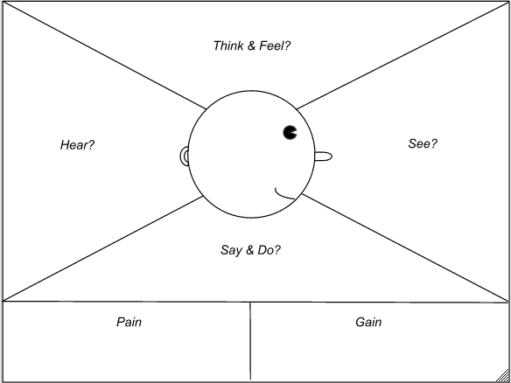
Name:
Age:
Occupation:
Marital Status:
Hobbies/Interests:

Short Bio Description:

This is a post it! Copy and paste it to the canvas.
This is a post it! Copy and paste it to the canvas.
This is a post it! Copy and paste it to the canvas.
This is a post it! Copy and paste it to the canvas.
This is a post it! Copy and paste it to the canvas.

Value Proposition Canvas
The Value Proposition Canvas |  |  | Designed for: |  | Designed by: | Date: | Version: | Documentation:
 |  |  |  |  |  |  |  | Read Instructions

Product
Customer
This is a post it! Copy and paste it to the canvas.

This is a post it! Copy and paste it to the canvas.

Benefits |  |  |  | Wants
This is a post it! Copy and paste it to the canvas.
 |  | Experience |  |  |  | Fears

Features |  |  |  | Needs

This is a post it! Copy and paste it to the canvas.

This is a post it! Copy and paste it to the canvas.

Company | Enter value in the -- Designed for: -- box |  |  | Substitutes

Product

Ideal Customer

Based on the work of Steve Blank, Clayton Christensen, Seth Godin, Yves Pigneur and Alex Osterwalder. Released under creative commons license to encourage adaption and iteration. No rights asserted.

This work is licensed under the Creative Commons Attribution-Share Alike 3.0 Unported License. To view a copy of this license, visit:
http://creativecommons.org/licenses/by-sa/3.0/ or send a letter to Creative Commons, 171 Second Street, Suite 300, San Francisco, California, 94105, USA.

Excel implementation by: Neos Chronos Limited (http://neoschronos.com/)

This work is licensed under the Creative Commons Attribution-Share Alike 3.0 Unported License. To view a copy of this license, visit:
http://creativecommons.org/licenses/by-sa/3.0/ or send a letter to Creative Commons, 171 Second Street, Suite 300, San Francisco, California, 94105, USA.

Business Model Canvas
The Business Model Canvas |  | Designed for: |  | Designed by: | Date: | Version: | Documentation:
 |  |  |  |  |  |  | Read Instructions
 |  |  |  |  |  |  | Watch YouTube video

This is a post it! Copy and paste it to the canvas.
Key Partners | Key Activities | Value Propositions |  | Customer Relationships | Customer Segments

This is a post it! Copy and paste it to the canvas.

This is a post it! Copy and paste it to the canvas.
 | Key Resources |  |  | Channels

This is a post it! Copy and paste it to the canvas.

This is a post it! Copy and paste it to the canvas.
Cost Structure |  |  | Revenue Streams

Designed by: Business Model Foundry AG (www.businessmodelgeneration.com/canvas)

This work is licensed under the Creative Commons Attribution-Share Alike 3.0 Unported License. To view a copy of this license, visit:
http://creativecommons.org/licenses/by-sa/3.0/ or send a letter to Creative Commons, 171 Second Street, Suite 300, San Francisco, California, 94105, USA.

Excel implementation by: Neos Chronos Limited (http://neoschronos.com/)

This work is licensed under the Creative Commons Attribution-Share Alike 3.0 Unported License. To view a copy of this license, visit:
http://creativecommons.org/licenses/by-sa/3.0/ or send a letter to Creative Commons, 171 Second Street, Suite 300, San Francisco, California, 94105, USA.

Heat Map
This is a post it! Copy and paste it to the canvas.
This is a post it! Copy and paste it to the canvas.
COMPLEXITY | LOW

This is a post it! Copy and paste it to the canvas.
This is a post it! Copy and paste it to the canvas.

 | MEDIUM

This is a post it! Copy and paste it to the canvas.

 | HIGH

 |  | LOW | MEDIUM | HIGH

 |  | NEED

